MM1-MG1-MD1 template
M/M/1 (Negative Exponential Distribution)

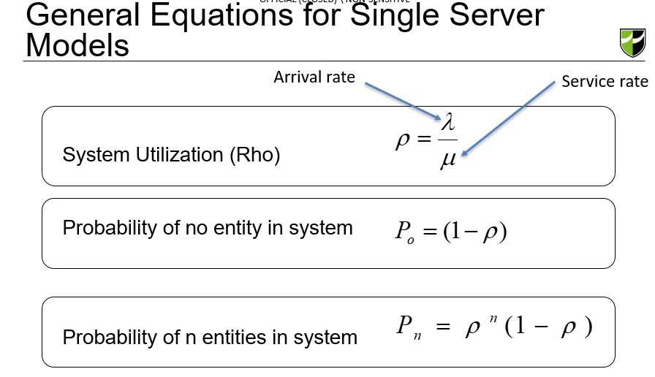
Assume service times are exponentially distributed.

Average customers that arrive (per hour) | 63
Average cashier takes to process checkout (in s) | 48

If units in hours, we take _____/60 --> output: in mins
If units in secs, we take 60/_____ --> output: in mins

M/M/1

Arrival Rate, λ | 3.500 | per minute | #N/A

Service Rate, μ | 4.000 | per minute | #N/A
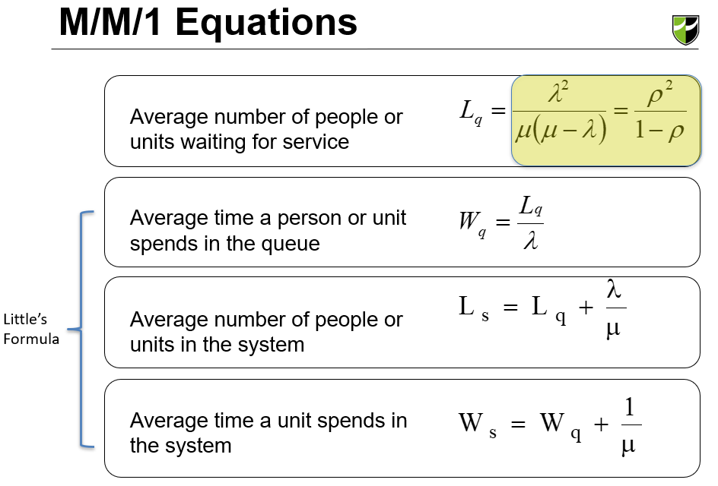
System Utilization, ρ | 0.875

Probability of no customers, P0 | 0.125 |  |  | 1.10832

Average number in queue, Lq | 6.125 |  | Length # of people

Average time in queue, Wq | 1.75 | minutes | Waiting time

Average number in system, Ls | 7.00 |  | No of people in a system

Average time in system, Ws | 2.00 | minutes

M/G/1 (General distribution with mean µ and standard deviation σ)

Assume service times follow a general distribution and std dev of 1 min.

Average customers that arrive every hour | 15
Average cashier takes to process checkout (in mins) | 3

If units in hours, we take _____/60 --> output: in mins
If units in secs, we take 60/_____ --> output: in mins
If units in minutes, we take 1/_____ --> output: in mins
M/G/1

Arrival Rate, λ | 0.333 | per minute | =20/60

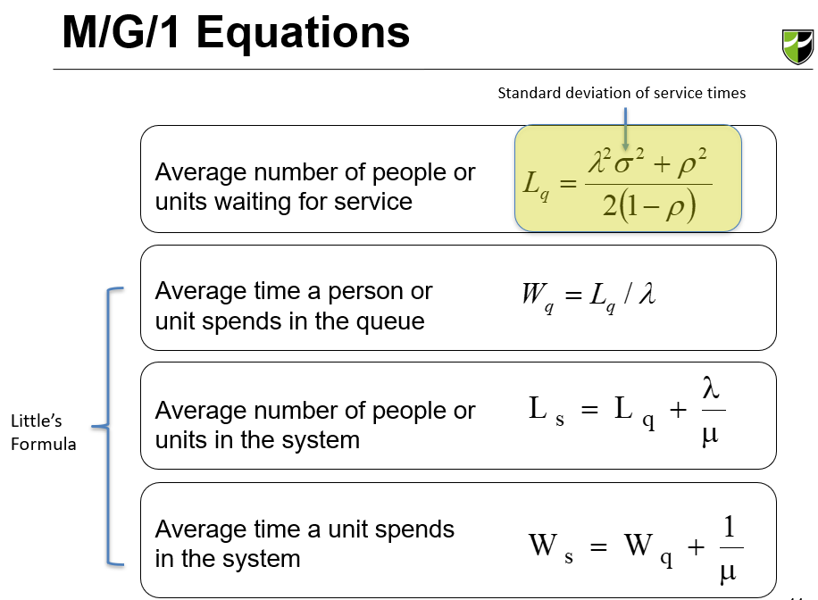
Service Rate, μ | 0.400 | per minute | =1/2.5

Standard deviation of service times, σ | 1.200 | minute

System Utilization, ρ | 0.833

Probability of no customers, P0 | 0.167

Average number in queue, Lq | 2.563 |  | Length # of people

Average time in queue, Wq | 7.690 | minutes | Waiting time

Average number in system, Ls | 3.397 |  | No of people in a system

Average time in system, Ws | 10.190 | minutes

M/D/1 (Constant (deterministic) Constant service time = std dev is 0

Assume service times are constant.

Average customers that arrive every hour | 63
Average cashier takes to process checkout (in s) | 10

If units in hours, we take _____/60 --> output: in mins
If units in secs, we take 60/_____ --> output: in mins

M/D/1

Arrival Rate, λ | 0.333 | per minute | =20/60

Service Rate, μ | 0.400 | per minute | =1/2.5

System Utilization, ρ | 0.833
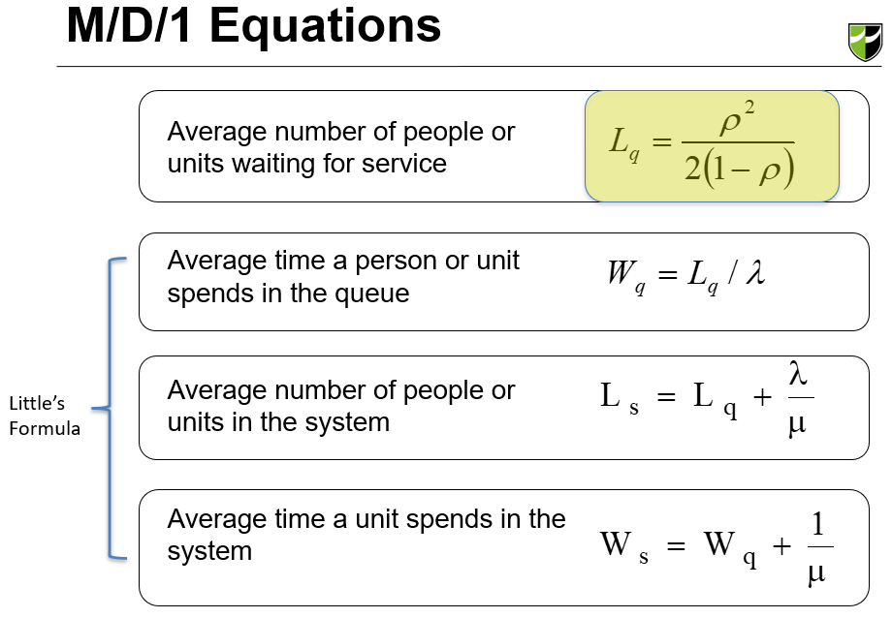
Probability of no customers, P0 | 0.167

Average number in queue, Lq | 2.083 |  | Length # of people

Average time in queue, Wq | 6.250 | minutes | Waiting time

Average number in system, Ls | 2.917 |  | No of people in a system

Average time in system, Ws | 8.750 | minutes

L3 MMk (2)
 |  |  |  |  |  |  | 0.79423371019
 |  |  |  |  |  |  | 0.031603249194
 |  |  |  |  |  |  | 0.17416304062
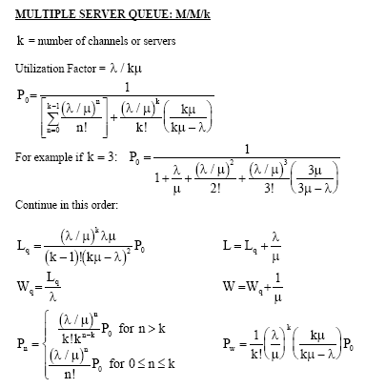
M/M/k |  |  |  |  | No. of customers in system, n |  | Probability of n customers in system, Pn
Arrival rate | λ | 1.250 | per minute

Service rate | μ | 0.3333 | per minute |  | 0 | 1 | 0.018681358777 | 0.48649371815
 |  |  |  |  | 1 | 3.75 | 0.070055095414 | 0.36487028861
No. of servers | k | 5 |  |  | 2 | 7.03125 | 0.1313533039 | 0.27365271646
 |  |  |  |  | 3 | 8.7890625 | 0.16419162988 | 0.20523953734
Utilisation | ρ | 0.7500 |  |  | 4 | 8.2397460938 | 0.15392965301 | 0.15392965301
 |  |  |  |  | 5 | 6.1798095703 | 0.11544723976 | 0.11544723976
Prob (no customers) | P0 | 1.87E-02 |  |  | 6 | 3.8623809814 | 0.072154524848 | 0.086585429817
 |  |  |  |  | 7 | 2.0691326686 | 0.03865420974 | 0.064939072363
No. of customers in queue | Lq | 1.3853668771 |  |  | 8 | 0.96990593842 | 0.018119160816 | 0.048704304272
 |  |  |  |  | 9 | 0.40412747434 | 0.0075496503398 | 0.036528228204
No. of customers in system | Ls | 5.1353668771 |  |  | 10 | 0.15154780288 | 0.0028311188774 | 0.027396171153
 |  |  |  |  | 11 | 0.051664023709 | 0.00096515416276 | 0.020547128365
Waiting time in queue | Wq | 1.1082935017 | minutes |  | 12 | 0.016145007409 | 0.00030161067586 | 0.015410346274
 |  |  |  |  | 13 | 0.0046572136756 | 8.7003079576E-05 | 0.011557759705
Time in system | Ws | 4.1082935017 | minutes |  | 14 | 0.0012474679488 | 2.3304396315E-05 | 0.0086683197789
 |  |  |  |  | 15 | 0.00031186698721 | 5.8260990787E-06 | 0.0065012398342
 |  |  |  |  | 16 | 7.3093825127E-05 | 1.3654919716E-06 | 0.0048759298756
k - 1 = | 4 |  | 28.81 | Shift the H column according to k value | 17 | 1.6123637896E-05 | 3.0121146432E-07 | 0.0036569474067
 |  |  |  |  | 18 | 3.3590912283E-06 | 6.27523884E-08 | 0.002742710555
 |  |  |  |  | 19 | 6.6297853189E-07 | 1.2385339816E-08 | 0.0020570329163
 |  |  |  |  | 20 | 1.2430847473E-07 | 2.3222512154E-09 | 0.0015427746872
 |  |  | 6.18 |  | 21 | 2.2197941916E-08 | 4.1468771704E-10 | 0.0011570810154
 |  |  |  |  | 22 | 3.7837400993E-09 | 7.0685406314E-11 | 0.00086781076156
 |  |  |  |  | 23 | 6.1691414663E-10 | 1.1524794508E-11 | 0.00065085807117
 |  |  |  |  | 24 | 9.6392835411E-11 | 1.8007491418E-12 | 0.00048814355338
 |  |  | 4.00 |  | 25 | 1.4458925312E-11 | 2.7011237128E-13 | 0.00036610766503

Shortest Path (Example)
Dijkstra's Algorithm |  |  |  | Optimal Route
Iteration | Solution Set | Arcs | Total Cost | From node O to | Route | Total Distance
1 | O | O -> A | 25 | Node A | O -> A | 25
15
D
E
O
A
C
B
25
13
12
31
32
30
12
7
 |  | O -> B | 15 | Node B | O -> B | 15
 |  | O -> C | 13 | Node C | O -> C | 13
 |  |  |  | Node D | O -> B -> D | 47 | (15+32)
Iteration | Solution Set | Arcs | Total Cost | Node E | O -> B -> D -> E | 54 | (47+7)
2 | O | O -> A | 25
 | C (13) | O -> B | 15
 |  | C -> B | 25

Iteration | Solution Set | Arcs | Total Cost
3 | O | O -> A | 25
 | C (13) | B -> D | 47
 | B (15)
 |  |  |  | 104

Iteration | Solution Set | Arcs | Total Cost
4 | O | A -> D | 55
 | C (13) | A -> E | 56
 | B (15) | B -> D | 47
 | A (25)

Iteration | Solution Set | Arcs | Total Cost
5 | O | D -> E | 54
 | C (13) | A -> E | 56
 | B (15)
 | A (25)
 | D (47)

Iteration | Solution Set | Arcs | Total Cost
6 | O
 | C (13)
 | B (15)
 | A (25)
 | D (47)
 | E (54)

Iteration | Solution Set | Arcs | Total Cost
7

Shortest Path (Activity 1)
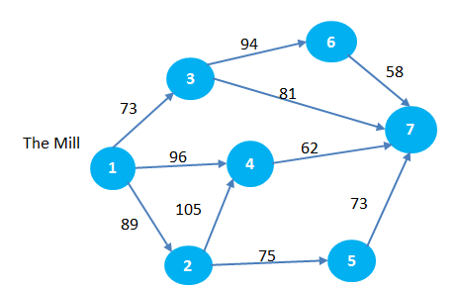
DC
66
Dijkstra's Algorithm |  |  |  | Optimal Route
Iteration | Solution Set | Arcs | Total Cost | From DC to | Route | Total Distance
1 | 1 | 1 -> 3 | 73 | City 2 | 1 -> 2 | 89
 |  | 1 -> 4 | 96 | City 3 | 1 -> 3 | 73
 |  | 1 -> 2 | 89 | City 4 | 1 -> 4 | 96
 |  |  |  | City 5 | 1 -> 4 -> 5 | 162
Iteration | Solution Set | Arcs | Total Cost | City 6 | 1 -> 3 -> 6 | 167
2 | 1 | 3 -> 6 | 167 | City 7 | 1 -> 3 -> 7 | 154
 | 3 (73) | 3 -> 7 | 154
 |  | 1 -> 2 | 89
 |  | 1 -> 4 | 96

Iteration | Solution Set | Arcs | Total Cost
3 | 1 | 2 -> 4 | 194
 | 3 (73) | 2 -> 5 | 164
 | 2 (89) | 3 -> 6 | 167
 |  | 3 -> 7 | 154
 |  | 1 -> 4 | 96

Iteration | Solution Set | Arcs | Total Cost
4 | 1 | 4 -> 7 | 158
 | 3 (73) | 4 -> 5 | 162
 | 2 (89) | 3 -> 6 | 167
 | 4 (96) | 3 -> 7 | 154
 |  | 2 -> 5 | 164

Iteration | Solution Set | Arcs | Total Cost
5 | 1 | 3 -> 6 | 167
 | 3 (73) | 2 -> 5 | 164
 | 2 (89) | 4 -> 5 | 162
 | 4 (96)
 | 7 (154)

Iteration | Solution Set | Arcs | Total Cost
6 | 1 | 3 -> 6 | 167
 | 3 (73)
 | 2 (89)
 | 4 (96)
 | 7 (154)
 | 5 (162)

Iteration | Solution Set | Arcs | Total Cost
7 | 1
 | 3 (73)
 | 2 (89)
 | 4 (96)
 | 7 (154)
 | 5 (162)
 | 6 (167)

Maximum Flow
Ford-Fulkerson's Algorithm
Step 1
Change each directed arc in the original network into an undirected arc. Arc capacity in the original direction remains the same; arc capacity in the opposite direction is set to be zero.

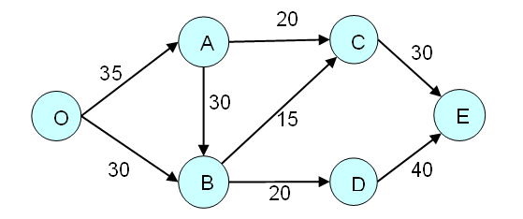

Add Path 1
Route | Flow Quantity | Route | Flow Quantity
O - A - C - E | 20 | O - A - C - E | 20
 |  | O - A - B - C - E | 10
 |  | O - A - B - D - E | 5
 |  | O - B - D - E | 15
 |  | Total | 50

Add Path 2
Route | Flow Quantity
O - A - B - C - E | 10

Add Path 3
Route | Flow Quantity
O - A - B - D - E | 5

Add path 4
Route | Flow Quantity
O - B - D - E | 15

Shortest Path
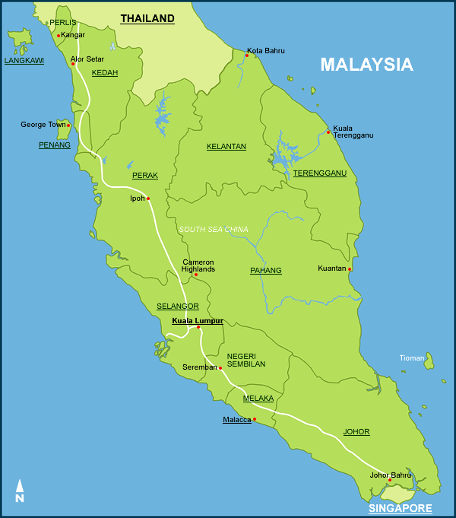
$80
$30
$25
$30
$45
$100
$60
$80
$40
$60
$80
$75
$55
$45
$75
$50
Apply Dijkstra's Algorithm to find the shortest path from JB to each of the other cities. |  |  | Iteration | Solution Set | Arcs | Total Cost
 |  |  | 1 | JB | JB - M | 30
SHORTEST PATH SOLUTION |  |  |  |  | JB - S | 50
From JB to | Shortest Path | Total Cost |  |  | JB - K | 80
M | JB -> M | 30
S | JB -> S | 50 | Iteration | Solution Set | Arcs | Total Cost
KL | JB -> M -> KL | 75 | 2 | JB | JB - S | 50
K | JB -> K | 80 |  | M (30) | JB - K | 80
KT | JB -> K -> KT | 120 |  |  | M - S | 30+25=55
IPOH | JB -> M -> KL -> IPOH | 135 |  |  | M - KL | 30+45=75
GT | JB -> M -> KL -> GT | 155
KB | JB -> K -> KB | 160 | Iteration | Solution Set | Arcs | Total Cost
AS | JB -> M -> KL -> IPOH -> AS | 190 | 3 | JB | JB - K | 80
 |  |  |  | M (30) | M - KL | 30+45=75
 |  |  |  | S (50) | S - KL | 50+30=80

$85
 |  |  | Iteration | Solution Set | Arcs | Total Cost
 |  |  | 4 | JB | JB - K | 80
 |  |  |  | M (30) | KL - GT | 75+80=155
 |  |  |  | S (50) | KL - IPOH | 75+60=135
 |  |  |  | KL (75)

 |  |  | Iteration | Solution Set | Arcs | Total Cost
 |  |  | 5 | JB | K - IPOH | 80+100=180
 |  |  |  | M (30) | K - KT | 80+40=120
 |  |  |  | S (50) | KL - GT | 75+80=155
 |  |  |  | KL (75) | KL - IPOH | 75+60=135
 |  |  |  | K (80) | K - KB | 80+80=160

 |  |  | Iteration | Solution Set | Arcs | Total Cost
 |  |  | 6 | JB | KL - GT | 75+80=155
 |  |  |  | M (30) | KL - IPOH | 75+60=135
 |  |  |  | S (50) | K - IPOH | 80+100=180
 |  |  |  | KL (75) | KT - KB | 120+60=180
 |  |  |  | K (80) | KT - AS | 120+75=195
 |  |  |  | KT (120) | K - KB | 80+80=160

 |  |  | Iteration | Solution Set | Arcs | Total Cost
 |  |  | 7 | JB | K - KB | 80+80=160
 |  |  |  | M (30) | IPOH - GT | 135+75=210
 |  |  |  | S (50) | IPOH - AS | 135+55=190
 |  |  |  | KL (75) | KL - GT | 75+80=155
 |  |  |  | K (80) | KT - KB | 120+60=180
 |  |  |  | KT (120) | KT - AS | 120+75=195
 |  |  |  | IPOH (135)

 |  |  | Iteration | Solution Set | Arcs | Total Cost
 |  |  | 8 | JB | GT - AS | 155+45=200
 |  |  |  | M (30) | IPOH - AS | 135+55=190
 |  |  |  | S (50) | KT - AS | 120+75=195
 |  |  |  | KL (75) | KT - KB | 120+60=180
 |  |  |  | K (80) | K - KB | 80+80=160
 |  |  |  | KT (120)
 |  |  |  | IPOH (135)
 |  |  |  | GT (155)

 |  |  | Iteration | Solution Set | Arcs | Total Cost
 |  |  | 9 | JB | GT - AS | 155+45=200
 |  |  |  | M (30) | IPOH - AS | 135+55=190
 |  |  |  | S (50) | KT - AS | 120+75=195
 |  |  |  | KL (75)
 |  |  |  | K (80)
 |  |  |  | KT (120)
 |  |  |  | IPOH (135)
 |  |  |  | GT (155)
 |  |  |  | KB (160)

 |  |  | Iteration | Solution Set | Arcs | Total Cost
 |  |  | 10 | JB
 |  |  |  | M (30)
 |  |  |  | S (50)
 |  |  |  | KL (75)
 |  |  |  | K (80)
 |  |  |  | KT (120)
 |  |  |  | IPOH (135)
 |  |  |  | GT (155)
 |  |  |  | KB (160)
 |  |  |  | AS (190)

Shortest Path (2024 ESE Q8)
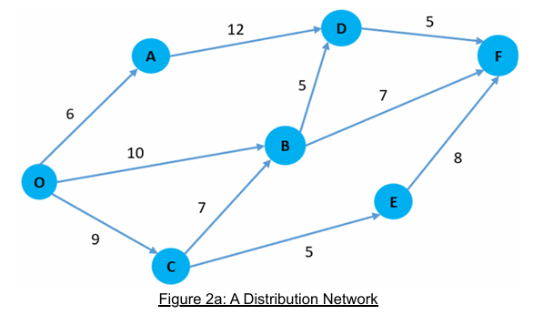
Iteration | Solution Set | Arcs | Total Cost
1 | O | O -> A | 6
 |  | O -> B | 10
 |  | O -> C | 7

Iteration | Solution Set | Arcs | Total Cost
2 | O | O -> B | 10
 | A (6) | O -> C | 9
 |  | A -> D | 18

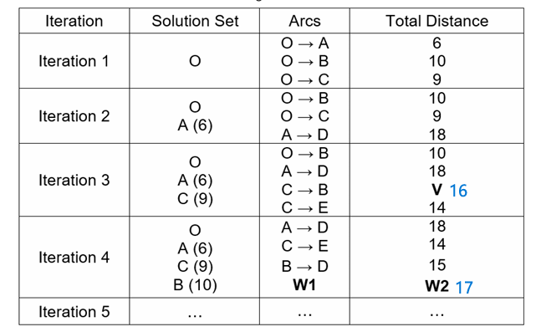
Iteration | Solution Set | Arcs | Total Cost
3 | O | A -> D | 18
 | A (6) | O -> B | 10
 | C (9) | C -> B | 16
 |  | C -> E | 14

Iteration | Solution Set | Arcs | Total Cost
4 | O | A -> D | 18
 | A (6) | B -> F | 17
 | C (9) | C -> E | 14
 | B (10)

Iteration | Solution Set | Arcs | Total Cost
5 | O | B -> D | 15
 | A (6) | B -> F | 17
 | C (9)
 | B (10)
 | E (14)

Iteration | Solution Set | Arcs | Total Cost
6 | O | D -> F | 20
 | A (6)
 | C (9)
 | B (10)
 | E (14)
 | D (15)

Iteration | Solution Set | Arcs | Total Cost
7 | O
 | A (6)
 | C (9)
 | B (10)
 | E (14)
 | D (15)
 | F (20)

Iteration | Solution Set | Arcs | Total Cost
8

Iteration | Solution Set | Arcs | Total Cost
9

Iteration | Solution Set | Arcs | Total Cost
10

Maximum Flow (2)
80
80
30
40
50
50
60
55
40
40
30
55
70
60
45
60
Apply Ford Fulkerson's Algorithm to determine maximum flow from Johor Bahru to Alor Setar
Step 1
Change each directed arc in the original network into an undirected arc. Arc capacity in the original direction remains the same; arc capacity in the opposite direction is set to be zero

Add path 1
Route | Flow Quantity
JB - M - KL - GT - AS | 50

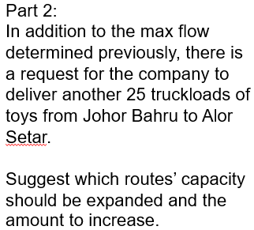
Add path 2
Route | Flow Quantity
JB - S - KL - I - AS | 40

Add path 3
Route | Flow Quantity
JB - K - KT - KB | 40

Add path 4
Route | Flow Quantity
JB - K - KB | 30

Add path 5
Route | Flow Quantity
JB - K - I - GT - AS | 10

Final Solution
Route | Flow Quantity
JB - M - KL - GT - AS | 50
JB - S - KL - I - AS | 40
JB - K - KT - KB | 40
JB - K - KB | 30
JB - K - I - GT - AS | 10
Total | 170

NN
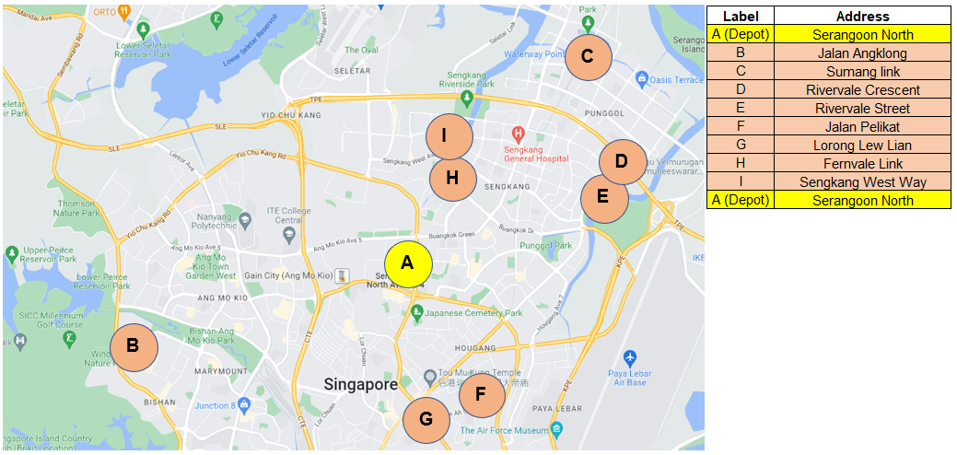
Nearest Neighbour Method

 |  |  | Distance Table
From |  | To (Distance in km) |  |  |  |  |  |  |  |  | Route (tour): A-G-F-E-D-C-I-H-B-A
 |  | A | B | C | D | E | F | G | H | I
Serangoon North (Depot) | A | 0 | 8.1 | 6 | 6 | 5.2 | 4.3 | 3.8 | 4 | 4 | From | To | Distance
Jalan Angklong | B | 8.1 | 0 | 13.5 | 14.4 | 14.3 | 9.1 | 6.7 | 9.5 | 9.3 | A | G | 3.8
Sumang link | C | 6 | 13.5 | 0 | 3.7 | 3.6 | 9.1 | 9.7 | 6.2 | 5.6 | G | F | 2.3
Rivervale Crescent | D | 6 | 14.4 | 3.7 | 0 | 1.7 | 6.8 | 7.1 | 4.4 | 4.2 | F | E | 6.5
Rivervale Street | E | 5.2 | 14.3 | 3.6 | 1.7 | 0 | 6.5 | 7.1 | 4.2 | 4.5 | E | D | 1.7
Jalan Pelikat | F | 4.3 | 9.1 | 9.1 | 6.8 | 6.5 | 0 | 2.3 | 7.7 | 8.2 | D | C | 3.7
Lorong Lew Lian | G | 3.8 | 6.7 | 9.7 | 7.1 | 7.1 | 2.3 | 0 | 7.2 | 6.6 | C | I | 5.6
Fernvale Link | H | 4 | 9.5 | 6.2 | 4.4 | 4.2 | 7.7 | 7.2 | 0 | 1.3 | I | H | 1.3
Sengkang West Way | I | 4 | 9.3 | 5.6 | 4.2 | 4.5 | 8.2 | 6.6 | 1.3 | 0 | H | B | 9.5
 |  |  |  |  |  |  |  |  |  |  | B | A | 8.1
 |  |  |  |  |  |  |  |  |  |  |  | Total Dist. | 42.5 | km

L20 MCF (with arc cap)
Decision Variables | Amount Flow | Unit Cost
X14 | 800 | 25
X17 | 400 | 20
X27 | 100 | 30
X38 | 0 | 20
X39 | 100 | 15
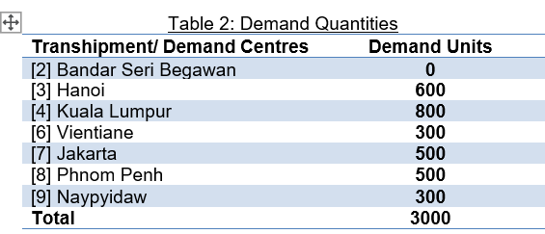
X48 | 0 | 20
X49 | 0 | 15
X56 | 300 | 20
X58 | 300 | 25
X59 | 200 | 30
X83 | 200 | 20
X102 | 100 | 50
X103 | 500 | 30
X108 | 400 | 20

 | Minimize Total Cost = | 84000

Net Flow Constraints | constraint equation LHS | LHS | Sign | RHS
Supply Node 1: | X14+X17=1200 | 1200 | = | 1200
Supply Node 5: | X56+X58+X59=800 | 800 | = | 800
Supply Node 10: | X102+X103+X108=1000 | 1000 | = | 1000
Transhipment Node 2: | X27-X102=0 | 0 | = | 0
Demand Node 3 | X38+X39-X83-X103=-600 | -600 | = | -600
Demand Node 4 | X48+X49-X14=-800 | -800 | = | -800
Demand Node 6: | -X56=-300 | -300 | = | -300
Demand Node 7: | -X17-X27=-500 | -500 | = | -500
Demand Node 8 | X83-X38-X58-X108=-500 | -500 | = | -500
Demand Node 9: | -X39-X49-X59=-300 | -300 | = | -300

Arc Capacity Constraints
Arc 10-3 | X103 <= 500 | 500 | <= | 500
Arc 5-9 | X59 <= 200 | 200 | <= | 200

L20 MCF (6a, S<D)
Decision Variables | Amount Flow | Unit Cost
X14 | 600 | 25
X17 | 400 | 20
X27 | 100 | 30
X38 | 0 | 20
X39 | 100 | 15
X48 | 0 | 20
X49 | 0 | 15
X56 | 300 | 20
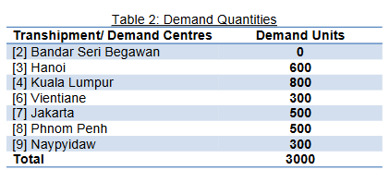
X58 | 300 | 25
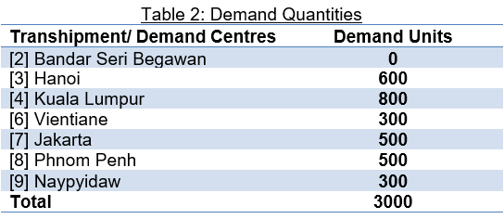
X59 | 200 | 30
X83 | 200 | 20
X102 | 100 | 50
X103 | 500 | 30
X108 | 400 | 20

 | Minimize Total Cost = | 79000

Net Flow Constraints | constraint equation LHS | LHS | Sign | RHS
Supply Node 1: | X14+X17=1000 | 1000 | = | 1000 | When supply (2800) < Demand (-3000),
Supply Node 5: | X56+X58+X59=800 | 800 | = | 800 | We change the demand node sign to ">="
Supply Node 10: | X102+X103+X108=1000 | 1000 | = | 1000
Transhipment Node 2: | X27-X102=0 | 0 | = | 0
Demand Node 3 | X38+X39-X83-X103=-600 | -600 | >= | -600
Demand Node 4 | X48+X49-X14=-800 | -600 | >= | -800
Demand Node 6: | -X56=-300 | -300 | >= | -300
Demand Node 7: | -X17-X27=-500 | -500 | >= | -500
Demand Node 8 | X83-X38-X58-X108=-500 | -500 | >= | -500
Demand Node 9: | -X39-X49-X59=-300 | -300 | >= | -300

Arc Capacity Constraints
Arc 10-3 | X103 <= 500 | 500 | <= | 500
Arc 5-9 | X59 <= 200 | 200 | <= | 200

L20 MCF (6b, S>D)
Decision Variables | Amount Flow | Unit Cost
X14 | 800 | 25
X17 | 400 | 20
X27 | 100 | 30
X38 | 0 | 20
X39 | 100 | 15
X48 | 0 | 20
X49 | 0 | 15
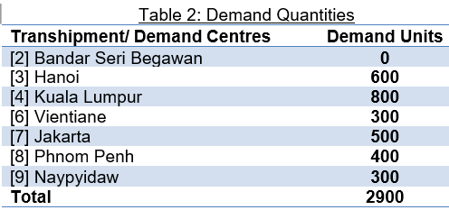
X56 | 300 | 20 |  |  |  | Supply > Demand
X58 | 200 | 25 |  |  |  | 3000 > 2900
X59 | 200 | 30
X83 | 200 | 20
X102 | 100 | 50
X103 | 500 | 30
X108 | 400 | 20

 | Minimize Total Cost = | 81500

Net Flow Constraints | constraint equation LHS | LHS | Sign | RHS
Supply Node 1: | X14+X17=1200 | 1200 | <= | 1200 | When supply (3000) > Demand (-2900),
Supply Node 5: | X56+X58+X59=800 | 700 | <= | 800 | We change the supply node sign to "<="
Supply Node 10: | X102+X103+X108=1000 | 1000 | <= | 1000
Transhipment Node 2: | X27-X102=0 | 0 | = | 0
Demand Node 3 | X38+X39-X83-X103=-600 | -600 | = | -600
Demand Node 4 | X48+X49-X14=-800 | -800 | = | -800
Demand Node 6: | -X56=-300 | -300 | = | -300
Demand Node 7: | -X17-X27=-500 | -500 | = | -500
Demand Node 8 | X83-X38-X58-X108=-400 | -400 | = | -400
Demand Node 9: | -X39-X49-X59=-300 | -300 | = | -300

Arc Capacity Constraints
Arc 10-3 | X103 <= 500 | 500 | <= | 500
Arc 5-9 | X59 <= 200 | 200 | <= | 200

MA
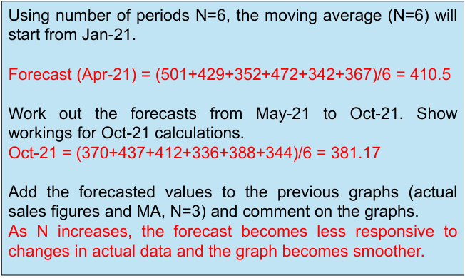
 | Actual Sales Figure (No. of Units) | Forecast (N = 3) | Forecast (N = 6)
 | 501
 | 429
 | 352
 | 472 | 427.33333333
 | 342 | 417.66666667
 | 367 | 388.66666667
 | 370 | 393.66666667 | 410.5
 | 437 | 359.66666667 | 388.66666667
 | 412 | 391.33333333 | 390
 | 336 | 406.33333333 | 400
 | 388 | 395 | 377.33333333
 | 344 | 378.66666667 | 385
 |  | 356 | 381.16666667
Month | Actual Sales Figure (No. of Units) | Forecast (N = 3) | Absolute deviation (Actual - Forecast) | Absolute percent error [(Actual - Forecast)/Actual] | Forecast (N = 6) | Absolute deviation (Actual - Forecast) | Absolute percent error [(Actual - Forecast)/Actual]
Oct-20 | 501
Nov-20 | 429
Dec-20 | 352
Jan-21 | 472 | 427.33 | 44.67 | 9.46%
Feb-21 | 342 | 417.67 | 75.67 | 22.12%
Mar-21 | 367 | 388.67 | 21.67 | 5.90%
Apr-21 | 370 | 393.67 | 23.67 | 6.40% | 410.50 | 40.50 | 10.95%
May-21 | 437 | 359.67 | 77.33 | 17.70% | 388.67 | 48.33 | 11.06%
Jun-21 | 412 | 391.33 | 20.67 | 5.02% | 390.00 | 22.00 | 5.34%
Jul-21 | 336 | 406.33 | 70.33 | 20.93% | 400.00 | 64.00 | 19.05%
Aug-21 | 388 | 395.00 | 7.00 | 1.80% | 377.33 | 10.67 | 2.75%
Sep-21 | 344 | 378.67 | 34.67 | 10.08% | 385.00 | 41.00 | 11.92%
Oct-21 |  | 356.00 |  |  | 381.17

 |  | MAD | 41.74 |  | MAD | 37.75
 |  | MAPE |  | 11.05% | MAPE |  | 10.18%

Month | Actual Sales Figure (No. of Units) | Forecast (N = 4) | Absolute deviation (Actual - Forecast) | Absolute percent error [(Actual - Forecast)/Actual] |  |  |  | Will lag (N+1)/2 periods if trend is present Small N value - very responsive Large N value - less responsive Identify medium & long-term trends
Oct-20 | 501 |  |  |  |  | 430 | 424.4
Nov-20 | 429
Dec-20 | 352
Jan-21 | 472
Feb-21 | 342 | 438.50 | 96.50 | 28.22%
Mar-21 | 367 | 398.75 | 31.75 | 8.65%
Apr-21 | 370 | 383.25 | 13.25 | 3.58%
May-21 | 437 | 387.75 | 49.25 | 11.27%
Jun-21 | 412 | 379.00 | 33.00 | 8.01%
Jul-21 | 336 | 396.50 | 60.50 | 18.01%
Aug-21 | 388 | 388.75 | 0.75 | 0.19%
Sep-21 | 344 | 393.25 | 49.25 | 14.32% |  |  |  | AD = |Actual Sales Figure – Forecast Value| APE = |Actual Sales Figure – Forecast Value|/Actual Sales Figure * 100% Small error - more accurate forecast Large error - forecast model may need revision Comparison: Lowest MAD & MAPE = better accuracy (lower avg error)
Oct-21 |  | 370.00

 |  | MAD | 41.78
 |  | MAPE |  | 11.53%

WMA
 | Sales Figure (No. of Units) | Forecast (N = 3, Weight: 5,3,1)
 | 501
 | 429
 | 352
 | 472 | 394.22222222
 | 342 | 427.22222222
 | 367 | 386.44444444
 | 370 | 370.33333333
 | 437 | 365.88888889
 | 412 | 406.88888889
 | 336 | 415.66666667
 | 388 | 372.55555556
 | 344 | 373.33333333
 |  | 357.77777778
Month | Sales Figure (No. of Units) | Forecast (N = 3, Weight: 5,3,1) | Absolute deviation (Actual - Forecast) | Absolute percent error [(Actual - Forecast)/Actual]
Oct-20 | 501
Nov-20 | 429
Dec-20 | 352
Jan-21 | 472 | 394.22 | 77.78 | 0.16
Feb-21 | 342 | 427.22 | 85.22 | 0.25
Mar-21 | 367 | 386.44 | 19.44 | 0.05
Apr-21 | 370 | 370.33 | 0.33 | 0.00
May-21 | 437 | 365.89 | 71.11 | 0.16
Jun-21 | 412 | 406.89 | 5.11 | 0.01
Jul-21 | 336 | 415.67 | 79.67 | 0.24
Aug-21 | 388 | 372.56 | 15.44 | 0.04
Sep-21 | 344 | 373.33 | 29.33 | 0.09
Oct-21 |  | 357.78

 |  | MAD | 42.60
 |  | MAPE |  | 11.17%

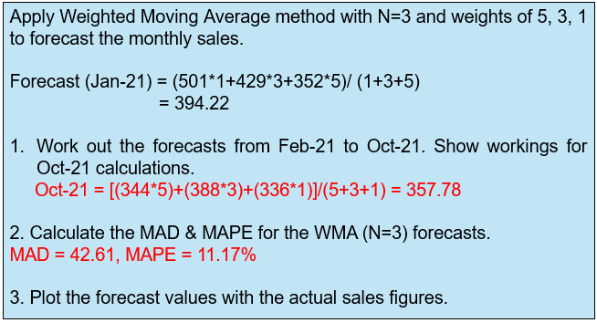
 |  |  |  |  | - Gives more importance (weights) to recent data points - More responsive to current trends compared with MA, which weighs all points equally

SES
Month | Sales Figure (No. of Units) | Forecast (alpha = 0.2) | Absolute deviation (Actual - Forecast) | Absolute percent error [(Actual - Forecast)/Actual]
Oct-20 | 501 | 419.20 | 81.80 | 0.16
Nov-20 | 429 | 435.56 | 6.56 | 0.02
Dec-20 | 352 | 434.25 | 82.25 | 0.23
Jan-21 | 472 | 417.80 | 54.20 | 0.11
Feb-21 | 342 | 428.64 | 86.64 | 0.25
Mar-21 | 367 | 411.31 | 44.31 | 0.12
Apr-21 | 370 | 402.45 | 32.45 | 0.09
May-21 | 437 | 395.96 | 41.04 | 0.09
Jun-21 | 412 | 404.17 | 7.83 | 0.02
Jul-21 | 336 | 405.73 | 69.73 | 0.21
Aug-21 | 388 | 391.79 | 3.79 | 0.01
Sep-21 | 344 | 391.03 | 47.03 | 0.14
Oct-21 |  | 381.62

 |  | MAD | 46.47
 |  | MAPE |  | 12.13%

Month | Sales Figure (No. of Units) | Forecast (alpha = 0.7) | Absolute deviation (Actual - Forecast) | Absolute percent error [(Actual - Forecast)/Actual]
Oct-20 | 501 | 419.20 | 81.80 | 0.16
Nov-20 | 429 | 476.46 | 47.46 | 0.11
Dec-20 | 352 | 443.24 | 91.24 | 0.26 |  | SES - Short term forecasting Requires little record keeping of past data and is best suited for a time series without upward/ downward trend
Jan-21 | 472 | 379.37 | 92.63 | 0.20
Feb-21 | 342 | 444.21 | 102.21 | 0.30
Mar-21 | 367 | 372.66 | 5.66 | 0.02
Apr-21 | 370 | 368.70 | 1.30 | 0.00
May-21 | 437 | 369.61 | 67.39 | 0.15
Jun-21 | 412 | 416.78 | 4.78 | 0.01
Jul-21 | 336 | 413.43 | 77.43 | 0.23
Aug-21 | 388 | 359.23 | 28.77 | 0.07
Sep-21 | 344 | 379.37 | 35.37 | 0.10
Oct-21 |  | 354.61
 |  |  |  |  |  | Will lag by 1/α periods if trend is present α value is small - response to change is SLOW α value is large - response to change is FAST
 |  | MAD | 53.00
 |  | MAPE |  | 13.50%
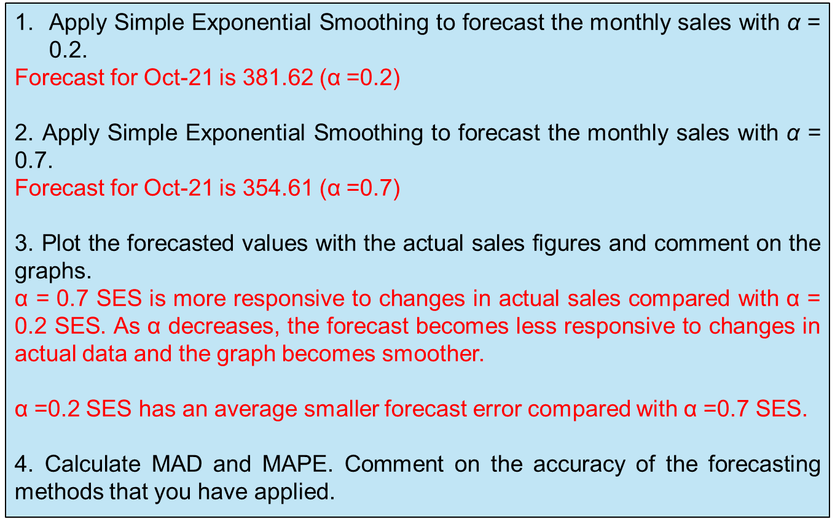

 |  |  |  |  | 114

Product B
 | Sales Figure (No. of Units) | (MA, N = 3) | WMA (5,3,1) | SES (0.2)
 | 446 |  |  | 607.20
 | 517 |  |  | 574.96
 | 604 |  |  | 563.37
 | 697 | 522.33333333 | 557.44 | 571.49
 | 772 | 606 | 646.00 | 596.60
 | 876 | 691 | 728.33 | 631.68
 | 931 | 781.66666667 | 821.44 | 680.54
 | 1017 | 859.66666667 | 895.00 | 730.63
 | 1103 | 941.33333333 | 972.67 | 787.91
 | 1296 | 1017 | 1055.22 | 850.93
 | 1535 | 1138.6666667 | 1200.67 | 939.94
 | 1700 | 1311.3333333 | 1407.33 | 1058.95
 |  | 1510.3333333 | 1600.11 | 1187.16
Month | Sales Figure (No. of Units) | (MA, N = 3) | WMA (5,3,1) | SES (0.2)
Oct-20 | 446 |  |  | 607.20
Nov-20 | 517 |  |  | 574.96
Dec-20 | 604 |  |  | 563.37
Jan-21 | 697 | 522.33 | 557.44 | 571.49
Feb-21 | 772 | 606.00 | 646.00 | 596.60
Mar-21 | 876 | 691.00 | 728.33 | 631.68
Apr-21 | 931 | 781.67 | 821.44 | 680.54
May-21 | 1017 | 859.67 | 895.00 | 730.63
Jun-21 | 1103 | 941.33 | 972.67 | 787.91
Jul-21 | 1296 | 1017.00 | 1055.22 | 850.93
Aug-21 | 1535 | 1138.67 | 1200.67 | 939.94
Sep-21 | 1700 | 1311.33 | 1407.33 | 1058.95
Oct-21 |  | 1510.33 | 1600.11 | 1187.16

LR
Sales Price (SGD) | Mileage (km)
$81,048 | 9927
$72,248 | 34947
$64,258 | 52178
$77,088 | 26817
$66,448 | 42047
$76,248 | 34147
$76,248 | 25003
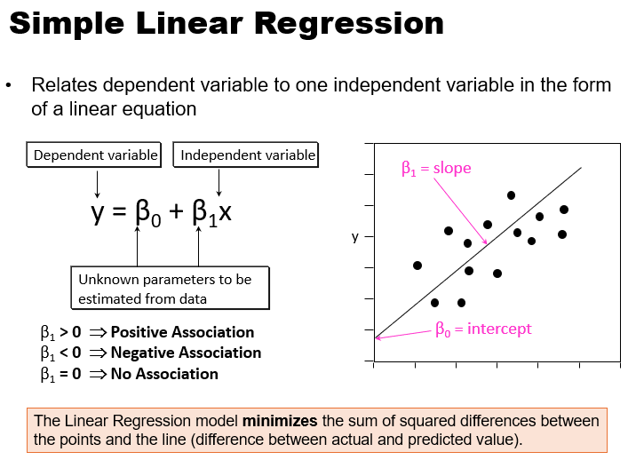
$73,048 | 34159
$70,648 | 43017
$81,128 | 12378
$68,448 | 46168
$75,848 | 28947

x (independent variable) | y (dependent variable)
Mileage (km) | Sales Price (SGD) | Forecasted Sales Prices | AD
9927 | $81,048 | 82574.19 | 1526.19
34947 | $72,248 | 72571.19 | 323.19
52178 | $64,258 | 65682.24 | 1424.24
26817 | $77,088 | 75821.56 | 1266.44
42047 | $66,448 | 69732.61 | 3284.61
34147 | $76,248 | 72891.03 | 3356.97
25003 | $76,248 | 76546.80 | 298.80
34159 | $73,048 | 72886.23 | 161.77
43017 | $70,648 | 69344.80 | 1303.20
12378 | $81,128 | 81594.28 | 466.28
46168 | $68,448 | 68085.03 | 362.97
28947 | $75,848 | 74969.99 | 878.01
 |  | MAD | 1221.05

 |  |  |  | -0.3998 | (β1, Slope)
 |  |  |  | 86543 | (β0, Intercept)

Holt's & LR
Linear Regression
Year | Period | Percentage of Senior Citizen | Forecast for Linear Regression | AD

1960 | 1 | 4.1 | 3.3022 | 0.80
1965 | 2 | 4.2 | 3.7121 | 0.49
1970 | 3 | 4.2 | 4.1220 | 0.08
1975 | 4 | 4.2 | 4.5319 | 0.33
1980 | 5 | 4.6 | 4.9418 | 0.34
1985 | 6 | 5.1 | 5.3516 | 0.25
1990 | 7 | 5.5 | 5.7615 | 0.26
1995 | 8 | 5.7 | 6.1714 | 0.47
2000 | 9 | 6.1 | 6.5813 | 0.48
2005 | 10 | 6.3 | 6.9912 | 0.69
2010 | 11 | 6.9 | 7.4011 | 0.50
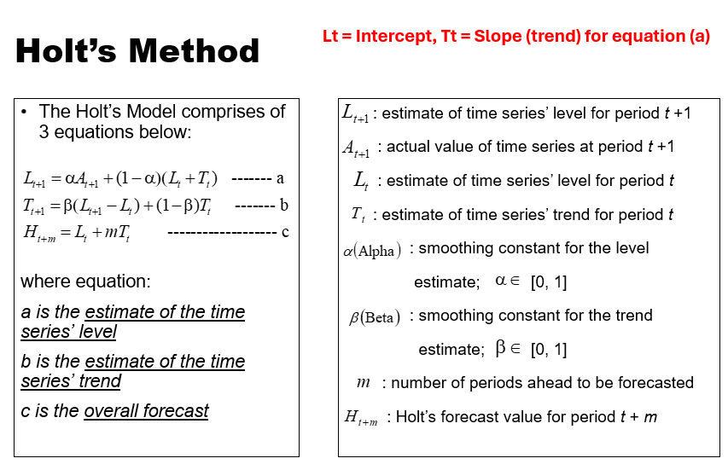
2015 | 12 | 8.5 | 7.8110 | 0.69
2020 | 13 | 9.5 | 8.2209 | 1.28
2025 | 14 | ???
2030 | 15 | ???

Holt's Method
Year | Period | Percentage of Senior Citizen | L0 | T0 | Forecast for Holts | 2.8923 | 0.4099 | Forecast for Holts (Ht)

1960 | 1 | 4.1 | L1 | T1 | H1 | 3.8607 | 0.5216 | 3.3022
1965 | 2 | 4.2 | L2 | T2 | H2 | 4.2547 | 0.4961 | 4.3822
1970 | 3 | 4.2 | L3 | T3 | H3 | 4.3652 | 0.4190 | 4.7507
1975 | 4 | 4.2 | L4 | T4 | H4 | 4.3753 | 0.3372 | 4.7842
1980 | 5 | 4.6 | L5 | T5 | H5 | 4.6337 | 0.3214 | 4.7124
1985 | 6 | 5.1 | L6 | T6 | H6 | 5.0566 | 0.3417 | 4.9552
1990 | 7 | 5.5 | L7 | T7 | H7 | 5.4695 | 0.3560 | 5.3983
1995 | 8 | 5.7 | L8 | T8 | H8 | 5.7376 | 0.3384 | 5.8254
2000 | 9 | 6.1 | L9 | T9 | H9 | 6.0928 | 0.3418 | 6.0760
2005 | 10 | 6.3 | L10 | T10 | H10 | 6.3404 | 0.3229 | 6.4346
2010 | 11 | 6.9 | L11 | T11 | H11 | 6.8290 | 0.3561 | 6.6633
2015 | 12 | 8.5 | L12 | T12 | H12 | 8.1055 | 0.5401 | 7.1850
2020 | 13 | 9.5 | L13 | T13 | H13 | 9.2437 | 0.6598 | 8.6457
2025 | 14 | ??? |  |  | H14
2030 | 15 | ???

Alpha | 0.7
Beta | 0.2

Holt's & LR (HC)
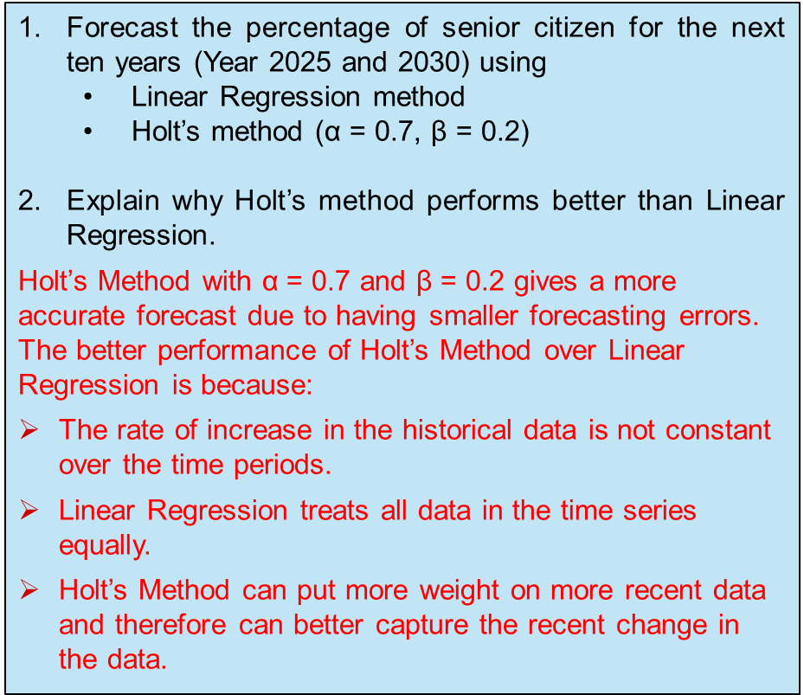
Percentage of Senior Citizen
Percentage of Senior Citizens
Linear Regression
Year | Period | Percentage of Senior Citizen | Linear Regression Forecast | AD | APE |  |  |  | MAD | 0.51
 |  |  |  |  |  |  |  |  | MAPE | 8.76%
1960 | 1 | 4.1 | 3.3022 | 0.80 | 19.46%
1965 | 2 | 4.2 | 3.7121 | 0.49 | 11.62%
1970 | 3 | 4.2 | 4.1220 | 0.08 | 1.86%
1975 | 4 | 4.2 | 4.5319 | 0.33 | 7.90%
1980 | 5 | 4.6 | 4.9418 | 0.34 | 7.43%
1985 | 6 | 5.1 | 5.3516 | 0.25 | 4.93%
1990 | 7 | 5.5 | 5.7615 | 0.26 | 4.76%
1995 | 8 | 5.7 | 6.1714 | 0.47 | 8.27%
2000 | 9 | 6.1 | 6.5813 | 0.48 | 7.89%
2005 | 10 | 6.3 | 6.9912 | 0.69 | 10.97%
2010 | 11 | 6.9 | 7.4011 | 0.50 | 7.26%
2015 | 12 | 8.5 | 7.8110 | 0.69 | 8.11%
2020 | 13 | 9.5 | 8.2209 | 1.28 | 13.46%
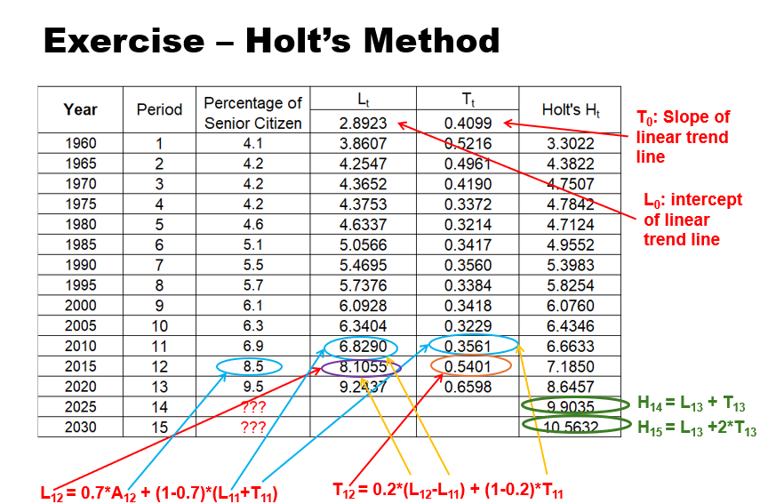
2025 | 14 | ??? | 8.6308
2030 | 15 | ??? | 9.0407
 |  |  |  |  | L0 | T0
Holt's Method
Year | Period | Percentage of Senior Citizen | Lt (a) [Intercept] | Tt (b) [Slope] | Holt's Ht (c) |  | AD | APE
 |  |  | 2.8923 | 0.4099
1960 | 1 | 4.1 | 3.8607 | 0.5216 | 3.3022 | H1 | 0.80 | 19.46% | MAD | 0.40
1965 | 2 | 4.2 | 4.2547 | 0.4961 | 4.3822 | H2 | 0.18 | 4.34% | MAPE | 6.97%
1970 | 3 | 4.2 | 4.3652 | 0.4190 | 4.7507 | H3 | 0.55 | 13.11%
1975 | 4 | 4.2 | 4.3753 | 0.3372 | 4.7842 | H4 | 0.58 | 13.91%
1980 | 5 | 4.6 | 4.6337 | 0.3214 | 4.7124 | H5 | 0.11 | 2.44%
1985 | 6 | 5.1 | 5.0566 | 0.3417 | 4.9552 | H6 | 0.14 | 2.84%
1990 | 7 | 5.5 | 5.4695 | 0.3560 | 5.3983 | H7 | 0.10 | 1.85%
1995 | 8 | 5.7 | 5.7376 | 0.3384 | 5.8254 | H8 | 0.13 | 2.20%
2000 | 9 | 6.1 | 6.0928 | 0.3418 | 6.0760 | H9 | 0.02 | 0.39%
2005 | 10 | 6.3 | 6.3404 | 0.3229 | 6.4346 | H10 | 0.13 | 2.14%
2010 | 11 | 6.9 | 6.8290 | 0.3561 | 6.6633 | H11 | 0.24 | 3.43%
2015 | 12 | 8.5 | 8.1055 | 0.5401 | 7.1850 | H12 | 1.31 | 15.47%
2020 | 13 | 9.5 | 9.2437 | 0.6598 | 8.6457 | H13 | 0.85 | 8.99%
2025 | 14 | ??? |  |  | 9.9035 | H14
2030 | 15 | ??? |  |  | 10.5632 | H15

Alpha | 0.7
Beta | 0.2

Solutions
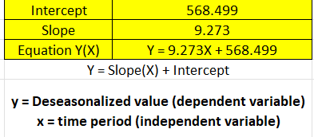
Input Data |  |  | Seasonal Index Computation |  |  |  |  | Forecast & Error analysis |  |  |  | Further decomposition for Cyclicity and Irregular Variations
Period | Sales (No. of Units) (Y) | Time Period (X) | Moving Average (e.g. 4 quarters) | Centred Moving Average (=(MAi-1 + MAi)/2) | Seasonal Ratio (=Yi/CMAi) | Seasonal Index (= normalized average of seasonal ratio) | Deseasonalized value (= Yi / Seasonal Indexi) | Deseasonalized forecast (=slope*Xi + intercept) | Seasonalized forecast (= Seasonal Indexi *Deseasonalized forecasti) | Absolute Deviation, AD (= |Yi - Seasonalized forecasti|) | Percent Absolute Deviation, % AD (AD/Sales) | Cyclicity*Irregular (=Yi/Seasonalized forecasti) | Cyclicity (3-period MA) | Irregular Variations (=Cyclicity*Irregulari/Cyclicityi)
Q1-19 | 360 | 1 |  |  |  | 0.606 | 593.753 | 577.772 | 350.311 | 9.689 | 2.691% | 1.028
Q2-19 | 550 | 2 | 588.750 |  |  | 0.919 | 598.432 | 587.045 | 539.535 | 10.465 | 1.903% | 1.019 | 1.012 | 1.007
Q3-19 | 585 | 3 | 593.750 | 591.250 | 0.989 | 0.992 | 589.646 | 596.319 | 591.620 | 6.620 | 1.132% | 0.989 | 0.989 | 1.000
Q4-19 | 860 | 4 | 596.250 | 595.000 | 1.445 | 1.482 | 580.102 | 605.592 | 897.788 | 37.788 | 4.394% | 0.958 | 0.989 | 0.969
Q1-20 | 380 | 5 | 612.500 | 604.375 | 0.629 | 0.606 | 626.739 | 614.865 | 372.800 | 7.200 | 1.895% | 1.019 | 0.984 | 1.035
Q2-20 | 560 | 6 | 640.000 | 626.250 | 0.894 | 0.919 | 609.313 | 624.138 | 573.626 | 13.626 | 2.433% | 0.976 | 1.010 | 0.967
Q3-20 | 650 | 7 | 642.500 | 641.250 | 1.014 | 0.992 | 655.162 | 633.411 | 628.421 | 21.579 | 3.320% | 1.034 | 1.010 | 1.025
Q4-20 | 970 | 8 | 651.250 | 646.875 | 1.500 | 1.482 | 654.301 | 642.684 | 952.778 | 17.222 | 1.775% | 1.018 | 1.013 | 1.005
Q1-21 | 390 | 9 | 648.750 | 650.000 | 0.600 | 0.606 | 643.232 | 651.958 | 395.290 | 5.290 | 1.356% | 0.987 | 0.995 | 0.992
Q2-21 | 595 | 10 | 657.500 | 653.125 | 0.911 | 0.919 | 647.395 | 661.231 | 607.717 | 12.717 | 2.137% | 0.979 | 0.976 | 1.003
Q3-21 | 640 | 11 | 661.250 | 659.375 | 0.971 | 0.992 | 645.082 | 670.504 | 665.221 | 25.221 | 3.941% | 0.962 | 0.979 | 0.982
Q4-21 | 1005 | 12 | 680.000 | 670.625 | 1.499 | 1.482 | 677.910 | 679.777 | 1007.768 | 2.768 | 0.275% | 0.997 | 0.976 | 1.022
Q1-22 | 405 | 13 | 696.250 | 688.125 | 0.589 | 0.606 | 667.972 | 689.050 | 417.780 | 12.780 | 3.156% | 0.969 | 1.004 | 0.966
Q2-22 | 670 | 14 | 715.000 | 705.625 | 0.950 | 0.919 | 728.999 | 698.324 | 641.807 | 28.193 | 4.208% | 1.044 | 1.006 | 1.038
Q3-22 | 705 | 15 |  |  |  | 0.992 | 710.599 | 707.597 | 702.022 | 2.978 | 0.422% | 1.004 | 1.021 | 0.983
Q4-22 | 1080 | 16 |  |  |  | 1.482 | 728.500 | 716.870 | 1062.758 | 17.242 | 1.596% | 1.016
 |  |  |  |  |  | Intercept | 568.499 |  |  | 14.461 | 2.290% | 1.000 | 0.997 | 1.000
 |  |  |  |  |  | Slope | 9.273 |  |  | MAD | MAPE
 |  |  |  |  |  | Equation Y(X) | Y = 9.273X + 568.499
 |  |  |  |  |  | Y = Slope(X) + Intercept |  |  | 1432
Seasonal Ratios | 4 seasons (4 quarters in a repetitive cycle) |  |  |  |  | y = Deseasonalized value (dependent variable) x = time period (independent variable) |  |  | 1405.000
Repetitive Cycle | Season 1 (Q1) | Season 2 (Q2) | Season 3 (Q3) | Season 4 (Q4)
Q1-19 to Q4-19 |  |  | 0.989 | 1.445
Q1-20 to Q4-20 | 0.629 | 0.894 | 1.014 | 1.500 |  |  |  |  | Formula (Normalized Average) |  |  |  | * Average Seasonal Ratio
Q1-21 to Q4-21 | 0.600 | 0.911 | 0.971 | 1.499
Q1-22 to Q4-22 | 0.589 | 0.950
Average | 0.60577 | 0.91824 | 0.99123 | 1.48117 | Sum (Average SR) | 3.99641
Centred Moving Average
 | Sales (No. of Units) (Y) | Centred Moving Average (=(MAi-1 + MAi)/2)
1 | 360
2 | 550
3 | 585 | 591.25
4 | 860 | 595
5 | 380 | 604.375
6 | 560 | 626.25
7 | 650 | 641.25
8 | 970 | 646.875
9 | 390 | 650
10 | 595 | 653.125
11 | 640 | 659.375
12 | 1005 | 670.625
13 | 405 | 688.125
14 | 670 | 705.625
15 | 705
16 | 1080
Normalized Average | 0.606 | 0.919 | 0.992 | 1.482

Multiplicative Decomposition
 | Sales (No. of Units) (Y) | Deseasonalized value (= Yi / Seasonal Indexi) | Seasonalized forecast (= Seasonal Indexi *Deseasonalized forecasti) | Centred Moving Average (=(MAi-1 + MAi)/2)
1 | 360 | 593.753 | 350.311
2 | 550 | 598.432 | 539.535
3 | 585 | 589.646 | 591.620 | 591.25
4 | 860 | 580.102 | 897.788 | 595
5 | 380 | 626.739 | 372.800 | 604.375
6 | 560 | 609.313 | 573.626 | 626.25
7 | 650 | 655.162 | 628.421 | 641.25
8 | 970 | 654.301 | 952.778 | 646.875
9 | 390 | 643.232 | 395.290 | 650
10 | 595 | 647.395 | 607.717 | 653.125
11 | 640 | 645.082 | 665.221 | 659.375
12 | 1005 | 677.910 | 1007.768 | 670.625
13 | 405 | 667.972 | 417.780 | 688.125
14 | 670 | 728.999 | 641.807 | 705.625
15 | 705 | 710.599 | 702.022
16 | 1080 | 728.500 | 1062.758

Cyclicity and Irregular Variations
 | Cyclicity (3-period MA) | Irregular Variations (=Cyclicity*Irregulari/Cyclicityi)
1
2 | 1.012 | 1.007
3 | 0.989 | 1.000
4 | 0.989 | 0.969
5 | 0.984 | 1.035
6 | 1.010 | 0.967
7 | 1.010 | 1.025
8 | 1.013 | 1.005
9 | 0.995 | 0.992
10 | 0.976 | 1.003
11 | 0.979 | 0.982
12 | 0.976 | 1.022
13 | 1.004 | 0.966
14 | 1.006 | 1.038
15 | 1.021 | 0.983
16

 |  |  |  |  |  |  |  |  |  |  |  |  | After removing the seasonal effect, the data exhibits an observable linear trend with random variations.

Forecast for the Next 4 Quarters
Forecast for the next 4 quarters
Quarter | Time Period | Deseasonalized Forecast (LR) | Seasonal Index (Normalized Avg) | Seasonalized Forecast (Next 4 Quarters)
Q1-23 | 17 | 726.144 | 0.606 | 440.271
Q2-23 | 18 | 735.417 | 0.919 | 675.899
Q3-23 | 19 | 744.691 | 0.992 | 738.823
Q4-23 | 20 | 753.964 | 1.482 | 1117.749

